Sheet1
 |  |  |  | WM SHOES

Description: Avia Womens Slip On Shoe
Style Number | Retail | Units Per Case | Cases | Color | Picture | Total
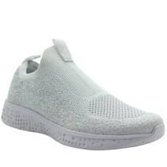

583082951 | $14.88 | 12 | 279 | White |  | 3348

 |  |  |  |  |  | $49,818.24

Description: Wonder Nation Infants Timmy Slip On Shoe
Style Number | Retail | Units Per Case | Cases | Color | Picture | Total

585555585 | $5.87 | 12 | 105 | Black |  | 1260

 |  |  |  |  |  | $7,396.20

Description: Wonder Nation Boys Timmy Slip On Shoes
Style Number | Retail | Units Per Case | Cases | Color | Picture | Total

585494534 | $5.87 | 12 | 361 | Black |  | 4332

 |  |  |  |  |  | $25,428.84

Description: Girls Jojo Siwa Be your Selfie Bow Sneakers
Style Number | Retail | Units Per Case | Cases | Color | Picture | Total

578354718 | $16.87 | 12 | 53 | Multi |  | 636

 |  |  |  |  |  | $10,729.32

Description: Womens Time & Tru Retro Sneaker
Style Number | Retail | Units Per Case | Cases | Color | Picture | Total

580350890 | $14.97 | 6 | 226 | Black |  | 1356

 |  |  |  |  |  | $20,299.32

Description: Infant Wonder Nation Unicorn Critter
Style Number | Retail | Units Per Case | Cases | Color | Picture | Total
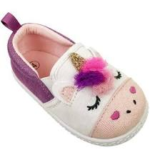

585743231 | $5.88 | 12 | 1 | Black |  | 12

 |  |  |  |  |  | $70.56

Description: Wonder Nation Boys Timmy Slip On Shoes
Style Number | Retail | Units Per Case | Cases | Color | Picture | Total

585443476 | $5.87 | 12 | 4 | Chambray |  | 48

 |  |  |  |  |  | $281.76

Description: Wonder Nation Toddler Girl's Flip Flops Mermaid
Style Number | Retail | Units Per Case | Cases | Color | Picture | Total

585443478 | $3.98 | 24 | 1 | Pink/Purple |  | 24

 |  |  |  |  |  | $95.52

Description: Wonder Nation Toddler Girl's Clogs
Style Number | Retail | Units Per Case | Cases | Color | Picture | Total

585563644 | $5.87 | 12 | 3 | Pink |  | 36

 |  |  |  |  |  | $211.32

Description: Wonder Nation Infant Boy's Beach Sandal
Style Number | Retail | Units Per Case | Cases | Color | Picture | Total

585443606 | $6.88 | 12 | 1 | Navy |  | 12

 |  |  |  |  |  | $82.56

Description: Women's Time & Tru Nature Sandal
Style Number | Retail | Units Per Case | Cases | Color | Picture | Total

585733829 | $9.98 | 12 | 5 | Leopard |  | 60

 |  |  |  |  |  | $598.80

Description: And 1 Men's Slip On Sneakers
Style Number | Retail | Units Per Case | Cases | Color | Picture | Total
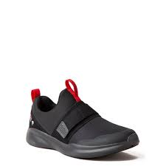

578917353 | $17.68 | 6 | 1 | Black & Red |  | 6

 |  |  |  |  |  | $106.08
 |  |  |  |  |  | 11130

